version 15
Test Scenario | regression RETESTING

1 | more >> edit profile >> documents >> on national id >> don't apper the image unless when I add picture or refresh the page |  |  |  |  | fixed
2 | Documents >> no button syndicate card and medical lincenses (screen shoot ) |  |  |  |  | issue |  |  | Delay duplicated not fixed
3 | Documents >> practicing the profession(it shouldn't in this page ) : what api do you use |  |  |  |  | warnning

Z | clinic >> add new clinic >> in arbic name it shoud acces key board in arbic langauge |  |  |  |  | warnning
7 | clinic >> add new clinic >> press cancel the apllication crash |  |  |  |  | not fixed
8 | clinic >> addd new clinic >> in loaction not work all time |  |  |  |  | not fixed | not fixed | open
9 | clinic >> add new clinic >> the application write the invalid requirment abouve the button , it should under the button |  |  |  |  | fixed
10 | clinic >>add new clinic >> no astrix in image to show the user when forget to image |  |  |  |  | fixed

12 | more >> call us >> the application call 0221256299 : it should call the hot line |  |  |  |  | fixed
13 | clinic >>add new clinic >>any mobile number should be acppet english number only ( phone number accept letters ) |  |  |  |  | fixed

15 | clinic >>add new period>> 2-4 > from - to the scroll (from - to )of time is not the same normal scroll , it's to hard as user experince |  |  |  |  | not fixed
16 | clinic >>add new period in clinic >> pagae 2-4 > you add from time such 3:00Am to 1:00Am " form time must be before to time " ( it should this text excatly ) |  |  |  |  | fixed
17 | clinic >>add new period in clinic >> you can add to period with same time don't get over lap |  |  |  |  | fixed
18 | clinic >>add new period in clinic >> visit fee & follow up fees validation max 4 number |  |  |  |  | FIXED
19 | clinic >>add new period in clinic >> the current time is wrong it get the time now . It should 00:00 |  |  |  |  | notfixed
20 | clinic >>add new period in clinic >> when you press reset it get the time now |  |  |  |  | bug
21 |  |  |  |  |  |  | not fixed
22 | clinic >> add new clinic >> You can't go back |  |  |  |  | bug | new
23 | vacations >> vacations date from can be before the date of day . |  |  |  |  | fixed |  |  |  |  |  | 24
24 | vacations >> SCREEN RECORD the calender return automatic on the current Date ( when you need to make the vaction in the next month you can't ) |  |  |  |  | not fixed | fixed

1.3 | syndicate id and license number only (verfication) |  |  |  |  | fixed | fixed
17 | more - language > choose arbic language >> the application move me to new passwod ?? |  |  |  |  | not fixed
20 | syndicate id and license numberit should from 2 minium to 8 maxmium |  |  |  |  | fixed
21 | make a new account 1/3 : in phone number the system accppet Arbic . It should english only |  |  |  |  | warning
22 | makea new account > you can't see in biography in english . The key board cover it and you can't scroll |  |  |  |  | notfixed | not fixed

24 | you can't scroll to see the image , when the key orad open ( screen shoot ) |  |  |  |  | fail

26 | MORE >> EDIT PROFILE >> when I press on name it open nationality |  |  |  |  | fixed
27 | MORE >> EDIT PROFILE >> CERTIFICATES >> ADD NEW CETIFICATES >> year field if entered in arabic it get MASSAGE " bad request english only "' and the application crash |  |  |  |  | not fixed | not fixed
28 | MORE >> EDIT PROFILE >> CERTIFICATES >> ADD NEW CETIFICATES >> if the requirment need expration arbic . It should the field ACCpet arbic only |  |  |  |  | not fixed | not fixed
29 | make a new account : in doctor profile 1-3 > speciality text half the text in the filef of license number ( screen shoot ) ( in iphone 8 ) |  |  |  |  | iusse.
30 | APPOINTMENTS > you can't delet the date in the search |  |  |  |  | fixed
 |  |  |  |  |  |  |  |  |  |  | 31

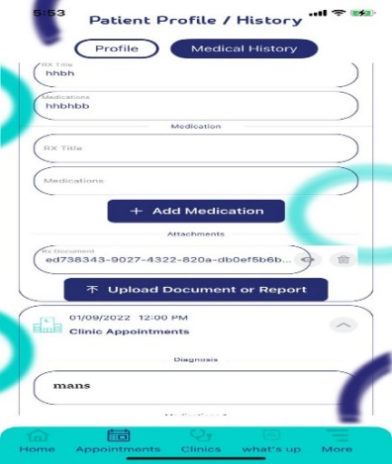
 |  |  |  |  |  |  |  |  |  |  | 32

 |  | Date Tested |  | 2022-11-03

 | signup : the email accpert arbic letters |  |  |  |  | fixed | but it should when you write arbic it get massage english letters only
 | signup : full name should accpet english letters only , |  |  |  |  | fixed

 | shedule : > ADD PERIOD >visit fee : accpet 4 number only |  |  |  |  | fixed
 | schedule > ADD PERIOD > when you put the fess and press done the key board don't appaer |  |  |  |  | fail | not fixed | fixed
 | el ui broken down refrence image |  |  |  |  | not fixed

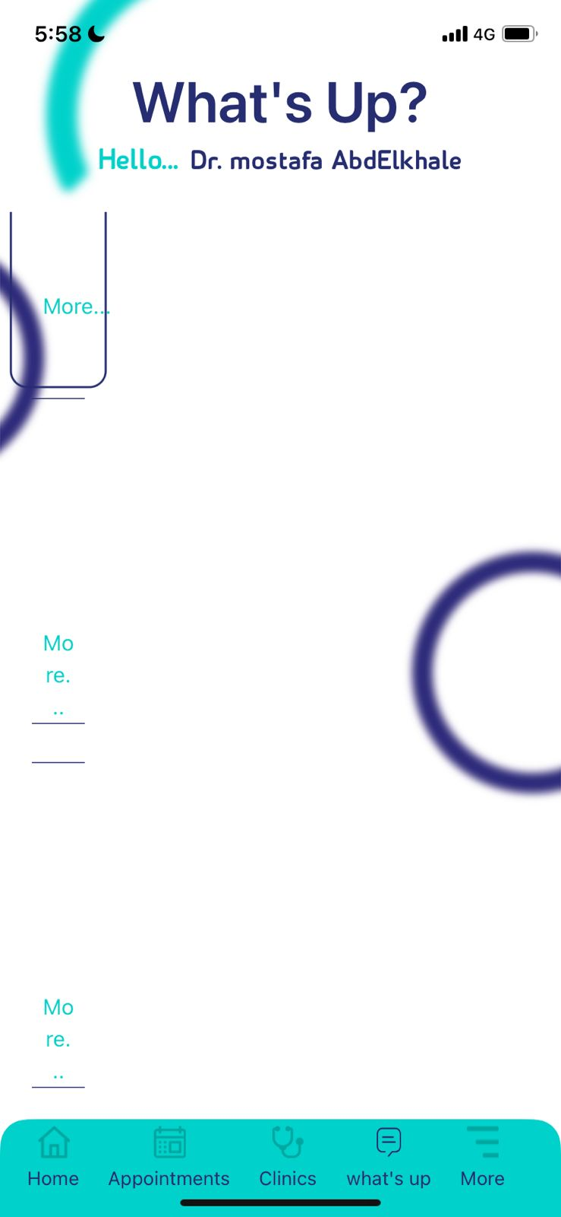

 |  |  | ui broken

 |  |  | tahneeg
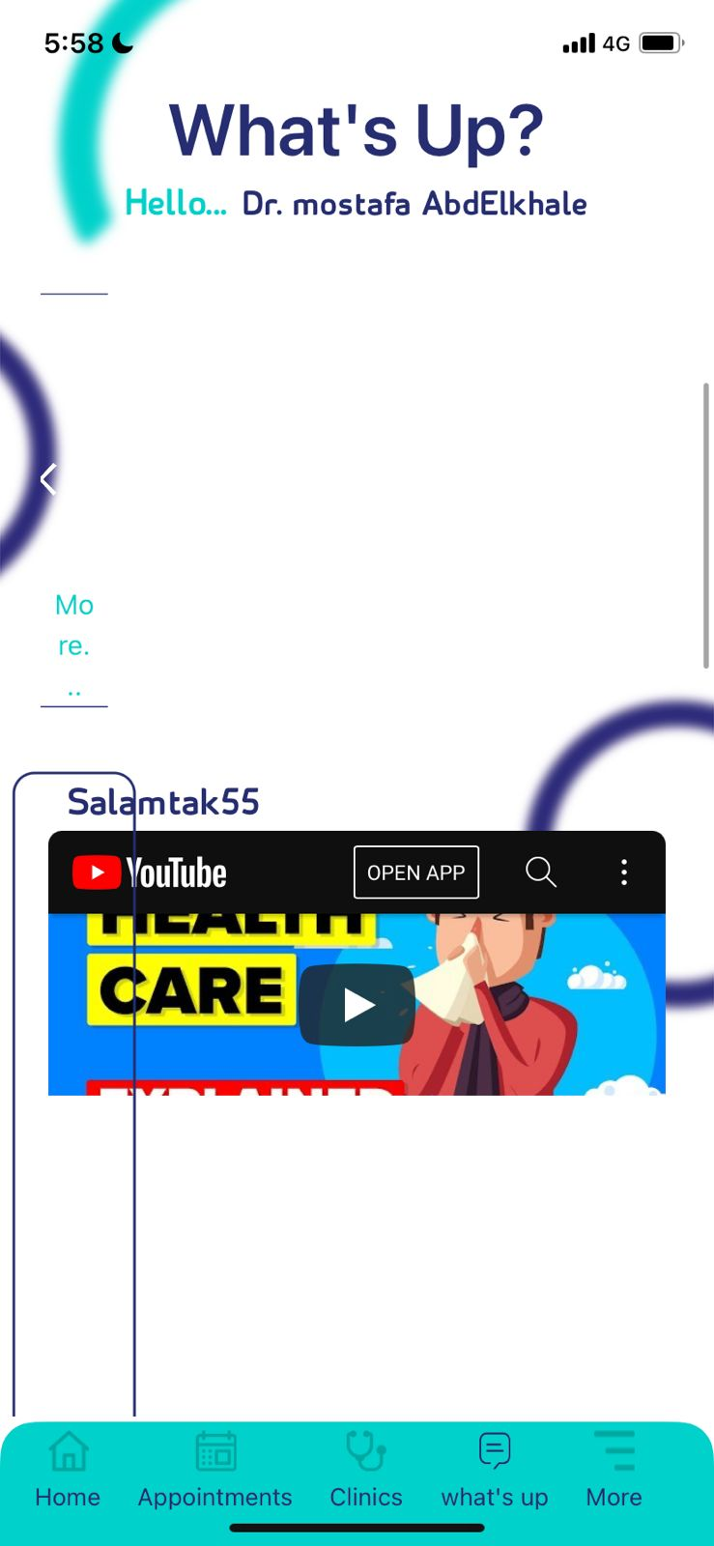

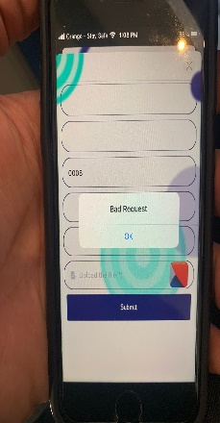
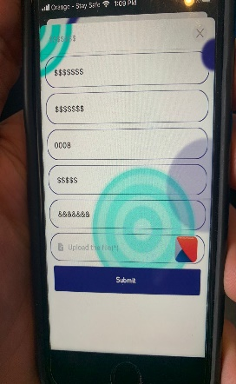
41 | the scroll on all application is hard to use |  |  |  |  | fail |  | expire tooken |  | bas request |  |  | symbols
42 | appointments >> medical history >> |  |  |  |  | fail
43 | clinic >> edit clinic >> schedulae >> active period in home visit > the peroid active in all |  |  |  |  | fail
44 | clinic >> edit clinic >> gallery . > the application lag when t he photo load |  |  |  |  | fail | notfixed
45 |  |  |  |  |  | fail
 |  |  |  |  |  | fail

 | clinic appointments
46 | clinic appointments > cancel button it should no show when the Appointments in date and time before the current time and date or when the patient didn't go the appointment |  |  |  |  | issue
47 | add new clinic to fist time in new user account the applicaltion crash |  |  |  |  | issue
48 | clinic appointments >> account >>in the patient account no baclk button (the user can't be able to go back in clinic appointments ) |  |  |  |  | issue |  | el servcies ui bug iphone 11 and iphone 8 (. Not fixd )
49 | clinics > add new clinic > in servies it should get respones in dentist only not in all |  |  |  |  | issue
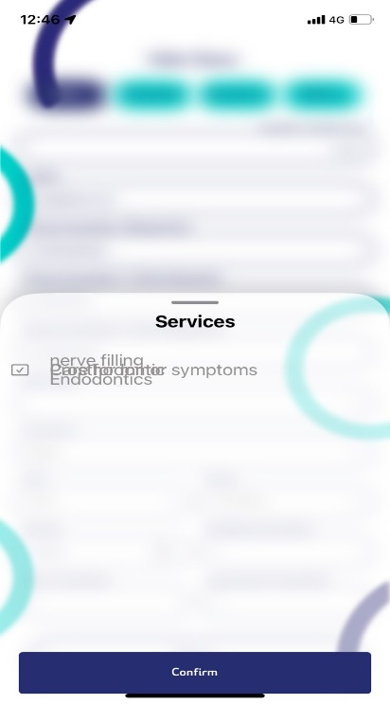
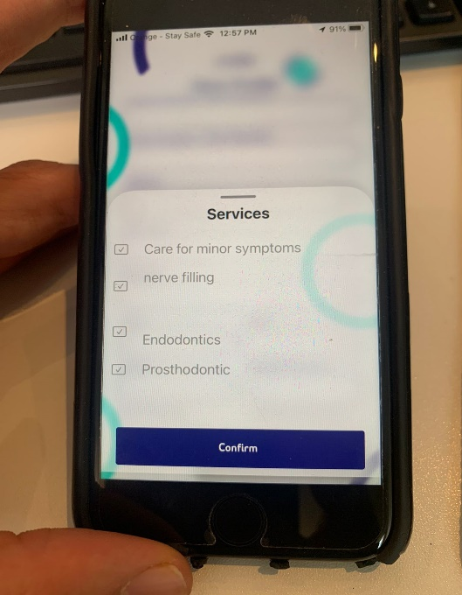
50 | add certfiacate > in create account > present doesn't dismis lma baddos 3l zoror msh bttashal |  |  |  |  | issue
51 | clinics > add new clinic > in first time in new the application crash |  |  |  |  | issue | not fixed
52 | in creat acount add legal ddocuments >> when youn add 2 picture nin national id and delete one of them you can press nest to next step (screen shoot ) |  |  |  |  | issue | not fixed '
53 | add certfiacate >> accpet the space and press submit it get masssage successand then get massge bad request ( screen shoot ) |  |  |  |  | issue | not fixed
54 | add certfiacate > all buttuon accpet sympoles only |  |  |  |  | issue | not fixed
55 | more , edit profile > license number > put 2 number and press to next > the app get massage "serilazaion error " then go to next page and get new massage "session expired " this massage don't get in all time |  |  |  |  | fail
56 | in all application the keyboard doesn’t dismiss , when you press done the key board |  |  |  |  | fail | not fixed
57 | create accont>> ful name >> accpet arbic name in eglish version . It should accpet accpet english letters only ,,,, and the oppiste in arbic version |  |  |  |  | fail | not fixed
58 | add new clinic > in arbico version > عياده جديده .> الحدمات .> the get is wrong |  |  |  |  | fail
59 | when I add new clinic when I write requirment the pp crash and can't login again to open the application |  |  |  |  | fail
60 | more > edit profile > delete account it should get alert it didn't get any alert |  |  |  |  | fail |  |  | s
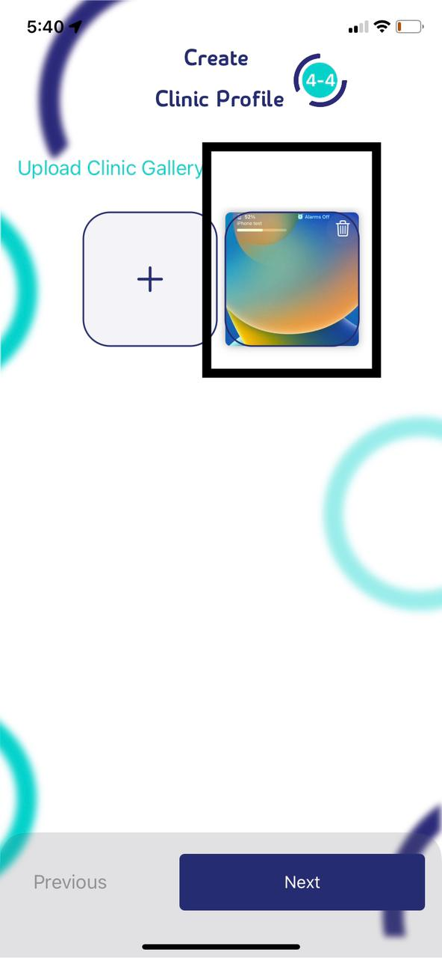
61 | create clinic >> upload clinic gallery >> the picture is not the the right filed (screen shoot ) |  |  |  |  | fail
62 | schudle > the user should go next unless put 1 schedulde |  |  |  |  | warning
 | alret fl delet abto li hamam

 |  |  |  |  | s

